Sheet1
Nacl
0.0037275238413 | 273.32429947 | 0.166306 | 250
0.0069551108915 | 272.64555002 | 0.161618 | 251
0.011444717355 | 272.62861153 | 0.156751 | 252
0.016517817196 | 271.27595219 | 0.134 | 253
0.022172543979 | 271.25417413 | 0.146476 | 254
0.026525908742 | 271.23723564 | 0.141069 | 255
0.032054215832 | 269.21550598 | 0.135482 | 256
0.039348451093 | 269.8531191 | 0.129715 | 257
0.042952502876 | 269.8386004 | 0.123769 | 258
0.047123200242 | 269.82166191 | 0.117644 | 259
0.051245942783 | 267.80477181 | 0.111338 | 260
0.05883006697 | 267.77331462 | 0.104854 | 261
0.065145720631 | 266.41339593 | 0.0981904 | 262
0.069121857954 | 265.7298069 | 0.0913479 | 263
0.076423982314 | 265.69834971 | 0.0843268 | 264
0.079755694131 | 265.683831 | 0.0771276 | 265
0.083056130473 | 264.33601123 | 0.069751 | 266
0.088513005331 | 263.64516285 | 0.0621984 | 267
0.093372178991 | 263.62338479 | 0.0544718 | 268
0.099763994655 | 262.26104631 | 0.0465756 | 269
0.10606979604 | 261.56535837 | 0.0385196 | 270
0.11689410679 | 260.18124183 | 0.0302465 | 271
0.12044643845 | 260.16430334 | 0.0221915 | 272
0.12496193968 | 258.14257368 | 0.0111235 | 273
0.1304303913 | 258.11595606 | 0.168005 | 250
0.13288697064 | 256.77055607 | 0.169202 | 251
0.13922637434 | 256.73909887 | 0.170397 | 252
0.14307528272 | 255.38643953 | 0.171586 | 253
0.1468899239 | 254.03378019 | 0.173953 | 255
0.15067703737 | 254.01442191 | 0.174847 | 256
0.15488510601 | 251.32604172 | 0.176304 | 257
0.15953192807 | 252.63514495 | 0.176697 | 259
0.16138924559 | 255.95871848 | 0.1798 | 260
0.16506721728 | 259.93926342 | 0.180957 | 261
0.16870102847 | 261.25320621 | 0.185548 | 265
0.17276261974 | 265.23133137 | 0.186685 | 266
0.17633876342 | 268.54522577 | 0.187819 | 267
0.17811967879 | 271.20214877 | 0.188948 | 268
0.17988997992 | 273.19242124 | 0.184819 | 270
0.18128789362 | 291.85137686 | 0.184885 | 272
0.18130249096 | 295.18462953 | 0.184921 | 273
0.18132876487 | 301.18448434 | 0.184959 | 274
0.18177807943 | 303.8486667 | 0.184998 | 275
0.1826839594 | 311.17698301 | 0.185039 | 276
0.18358493257 | 317.83864879 | 0.18508 | 277
0.18447523114 | 322.50036297 | 0.185125 | 278
0.18536359009 | 327.16207714 | 0.185171 | 279
0.18711149 | 331.15230121 | 0.185218 | 280
0.18714890403 | 339.81875817 | 0.185317 | 282
0.18760047856 | 344.48289213 | 0.185369 | 283
...
Mg2So4
0.03940093261 | 272.19626168 | 0.0269186 | 250
0.058075911625 | 270.09345794 | 0.0288059 | 251
0.064606194837 | 270.09345794 | 0.0305146 | 252
0.07242575199 | 273.59813084 | 0.0324349 | 253
0.079673742065 | 279.20560748 | 0.0342679 | 254
0.084150645387 | 284.11214953 | 0.036093 | 255
0.089901610309 | 289.01869159 | 0.0379092 | 256
0.091223386185 | 291.82242991 | 0.0397158 | 257
0.096442023145 | 292.52336449 | 0.0415123 | 258
0.099477533598 | 299.53271028 | 0.0432984 | 259
0.096884126113 | 296.02803738 | 0.0450739 | 260
0.094713880564 | 293.92523364 | 0.0468384 | 261
0.092545402662 | 296.02803738 | 0.0485918 | 262
0.10289507448 | 298.13084112 | 0.050334 | 263
0.1067271938 | 303.03738318 | 0.0520649 | 264
0.1029090111 | 303.03738318 | 0.0537844 | 265
0.11220286677 | 309.34579439 | 0.0554924 | 266
0.10968430012 | 306.54205607 | 0.0571888 | 267
0.1196642044 | 314.25233645 | 0.0588736 | 268
0.11719556472 | 314.25233645 | 0.0605469 | 269
0.12497342209 | 317.05607477 | 0.0622084 | 270
0.13022459953 | 321.96261682 | 0.0638582 | 271
0.13462277236 | 327.57009346 | 0.0654963 | 272
0.13897668871 | 333.17757009 | 0.0671226 | 273
0.14522544503 | 338.78504673 | 0.0687371 | 274
0.15176523996 | 344.39252336 | 0.0703398 | 275
0.14717491728 | 346.4953271 | 0.0719307 | 276
0.14525617175 | 350.70093458 | 0.0735098 | 277
0.14294006894 | 354.90654206 | 0.075077 | 278
0.13983050547 | 359.81308411 | 0.0766324 | 279
0.13511344326 | 363.31775701 | 0.0781758 | 280
0.13313811864 | 366.82242991 | 0.0797074 | 281
0.13195790736 | 372.42990654 | 0.0812271 | 282
0.11409605166 | 391.35514019 | 0.0827349 | 283
0.10573316484 | 400.46728972 | 0.0842309 | 284
0.10020318392 | 403.27102804 | 0.0857149 | 285
0.087637920156 | 416.58878505 | 0.0871869 | 286
0.067856844539 | 426.40186916 | 0.0886471 | 287
0.0566911016 | 428.5046729 | 0.0900953 | 288
0.043820512652 | 435.51401869 | 0.0915316 | 289
0.037500188505 | 439.71962617 | 0.092956 | 290
0.028102218641 | 443.22429907 | 0.0943684 | 291
0.022071139352 | 445.3271028 | 0.0957689 | 292
0.020564115225 | 449.53271028 | 0.0971574 | 293
0.015478208863 | 455.14018692 | 0.098534 | 294
0.012401715239 | 458.64485981 | 0.0998986 | 295
0.009825266004 | 462.14953271 | 0.101251 | 296
0.0082899653283 | 469.1588785 | 0.102592 | 297
0.0062200028956 | 474.06542056 | 0.103921 | 298
0.0051854503313 | 477.57009346 | 0.105238 | 299
...
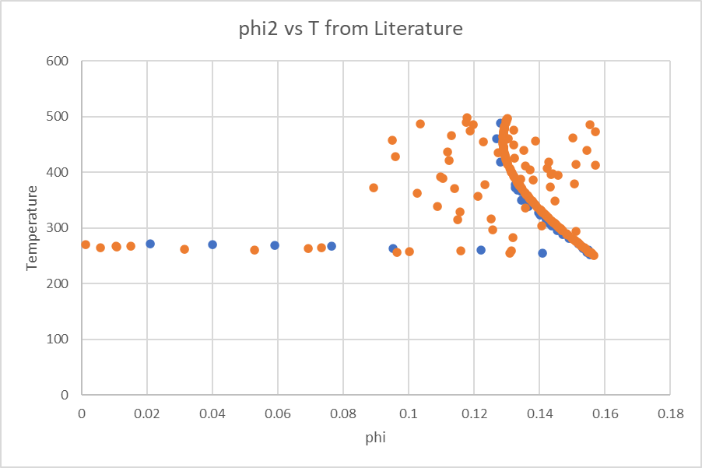

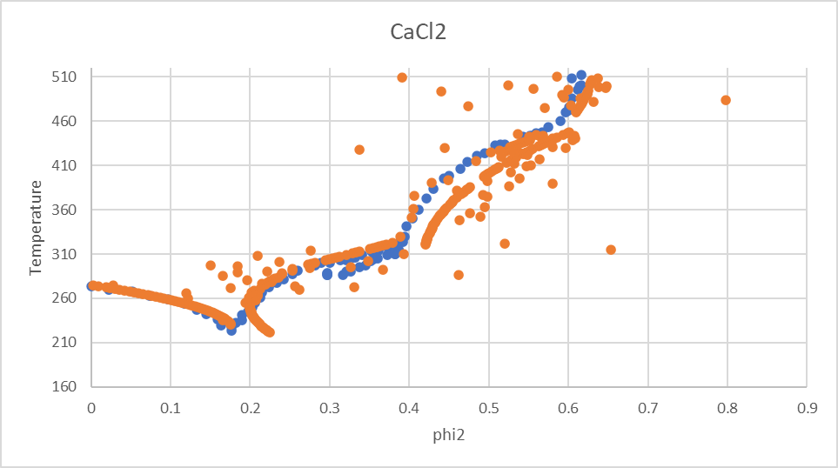
LiCl
0.040775874274 | 269.64318512 | 0.189822 | 200
0.078356686165 | 262.00130237 | 0.073727 | 201
0.10636557892 | 256.53937987 | 0.190461 | 202
0.12627995151 | 252.17144479 | 0.198296 | 203
0.13907032302 | 247.81152427 | 0.190781 | 204
0.16652314052 | 234.74378454 | 0.162831 | 205
0.17817026129 | 230.38386402 | 0.190781 | 206
0.1838725998 | 226.03195806 | 0.190661 | 207
0.19504312905 | 217.32814613 | 0.190461 | 208
0.20591199981 | 212.96822561 | 0.236096 | 209
0.2112371062 | 206.44437395 | 0.169321 | 210
0.22932544648 | 196.64256733 | 0.189382 | 211
0.24900791451 | 202.04037334 | 0.188862 | 212
0.26998254423 | 209.60611778 | 0.188263 | 213
0.26542339803 | 215.04399659 | 0.187583 | 214
0.27224096075 | 221.54781186 | 0.186824 | 215
0.2767161311 | 224.79771585 | 0.185984 | 216
0.2855033642 | 231.29752383 | 0.15703 | 217
0.29619164364 | 235.62137884 | 0.184066 | 218
0.30860291867 | 242.11317226 | 0.182986 | 219
0.31663674326 | 246.44103455 | 0.178515 | 220
0.33215700964 | 248.58092201 | 0.180588 | 221
0.34334231492 | 258.33063399 | 0.179269 | 222
0.35059333244 | 262.65849627 | 0.17787 | 223
0.35768596295 | 265.9003857 | 0.176391 | 224
0.36117449601 | 270.23626254 | 0.174832 | 225
0.36633681887 | 272.39618641 | 0.173194 | 226
0.36973226413 | 275.6460904 | 0.171475 | 227
0.37475774747 | 277.80601426 | 0.169676 | 228
0.38457206184 | 279.95391628 | 0.167798 | 229
0.39408303075 | 288.61765541 | 0.165839 | 230
0.40178713335 | 292.94151041 | 0.163801 | 231
0.41077733906 | 292.91746673 | 0.161683 | 232
0.41662217783 | 300.50324757 | 0.16371 | 233
0.42093027231 | 304.83511713 | 0.157207 | 234
0.42797075263 | 310.24494498 | 0.154849 | 235
0.43754462284 | 316.73273113 | 0.153931 | 236
0.44549933705 | 323.22452455 | 0.103507 | 237
0.44939290997 | 330.81431267 | 0.147297 | 238
0.45701828907 | 337.30610609 | 0.14462 | 239
0.46565186529 | 342.70791939 | 0.141863 | 240
0.47518862224 | 345.9337797 | 0.139026 | 241
0.48439093441 | 351.33158571 | 0.13611 | 242
0.49327609161 | 354.55744603 | 0.133114 | 243
0.50707914381 | 362.10716134 | 0.130038 | 244
0.51015833996 | 365.35305806 | 0.126882 | 245
0.51719567293 | 365.3250071 | 0.123647 | 246
0.53068066889 | 366.35487803 | 0.120332 | 247
0.52015015228 | 371.82882236 | 0.116937 | 248
0.52112695967 | 379.42662504 | 0.113463 | 249
...

